Bug Report
NO. | BUG REPORT ID | SUMMARY | STEP TO REPRODUCE | EXPECTED RESULT | ACTUAL RESULT | SEVERITY | PRIORITY | ATTACHMENT
1 | BD-LG-01 | Password visibility toggle does not use standard eye icon | Env: https://belajar-bareng.onrender.com - Platform: Web | Browser: Chrome - Test Data: admin - Steps: 1. Visit login page 2. Input Password 3. Observe the icon used for password visibility toggle 4. Compare with standard eye icon | The password field uses a standard eye icon | Field password does not use a standard eye icon it uses emoji or other non-standard icons | MAJOR | HIGH | 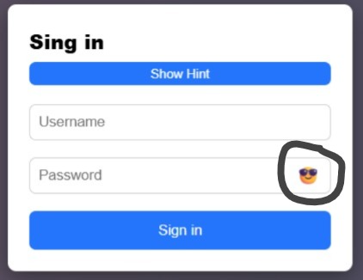
2 | BD-LG-02 | Expired token after 1 hour idle on /users does not redirect to login | Env: https://belajar-bareng.onrender.com - Platform: Web | Browser: Chrome - Test Data: elades / 27 - Steps: 1. User is on /users page 2. click add 3. redirect too /add page 4. Wait until the token expires or simulate an expired token 5. input field username 6. input field age 8. submit | System shows message "Invalid or Expired token, please login" (manual redirect may be required by user) | System should prompt: "Invalid or Expired token, please login" and Automatically redirect user to login page | CRITICAL | HIGH | 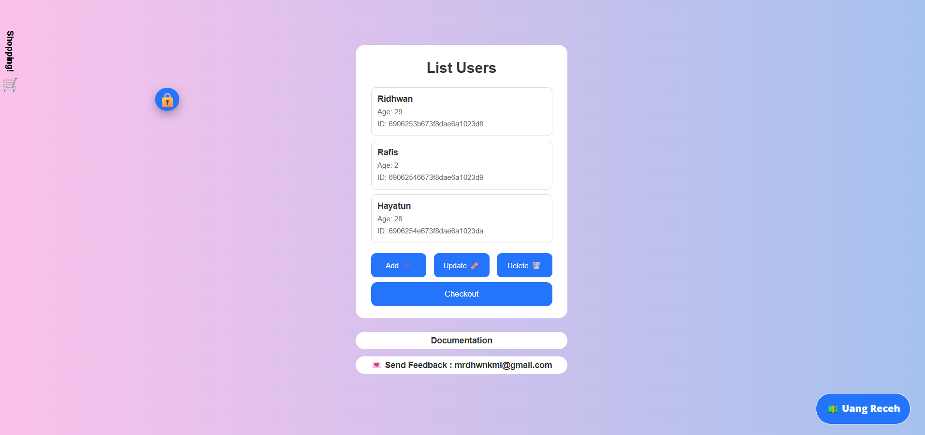
3 | BD-LG-03 | Login page title form shows typo “Sing in” instead of “Sign in” | Env: https://belajar-bareng.onrender.com - Platform: Web | Browser: Chrome - Test Data: - Steps: 1. Visit login page 2. Observe the tittle form (sing form) | It should be “Sign in | the login page displays an incorrect title “Sing in” | MINOR | MEDIUM | 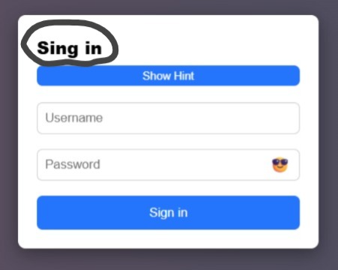
4 | BD-LG-04 | Login page uses inconsistent language (English and Indonesian mixed) | Env: https://belajar-bareng.onrender.com - Platform: Web | Browser: Chrome - Test Data: - Steps: 1. Visit login page 2. Observe the page 3. there is a button labeled “uang receh” | The system should use a consistent language (either fully English or fully Indonesian) to maintain clarity and professionalism | there is a button labeled “uang receh” while other elements use English | MINOR | MEDIUM | 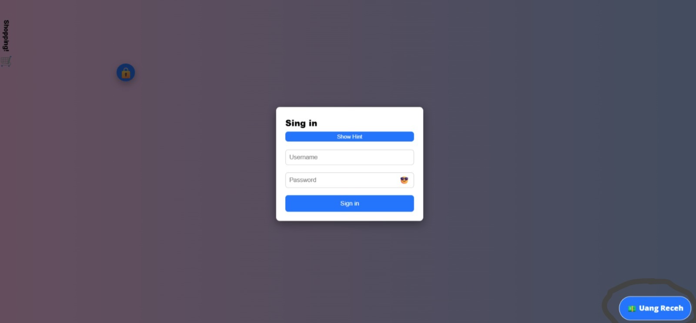
5 | BD-LG-05 | Login page displays sensitive credentials (username & password) in plain text | Env: https://belajar-bareng.onrender.com - Platform: Web | Browser: Chrome Steps: 1. Visit login page 2. Observe the hint section above input fields | The system should NOT display any password or sensitive information on the login page for security reasons | The system displays default credentials (Username: admin, Password: admin) in plain text | CRITICAL | HIGH | 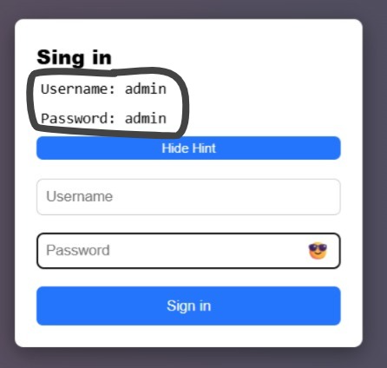
7 | BD-LG-06 | UI layout is inconsistent and not properly aligned | Env: https://belajar-bareng.onrender.com - Platform: Web | Browser: Chrome Steps: 1. Visit login page or dashboard 2. Observe UI layout and element positions | UI layout should be consistent, properly aligned, and all elements should have clear purpose to ensure good user experience | UI elements are not well aligned (e.g., “Uang Receh” button too far at bottom-right, “Shopping!” text unclear and misplaced) | MINOR | MEDIUM

